Sheet1
M&M Graph
Brown | Red | Orange | Yellow | Blue | Green
4 | 3 | 2 | 3 | 3 | 2

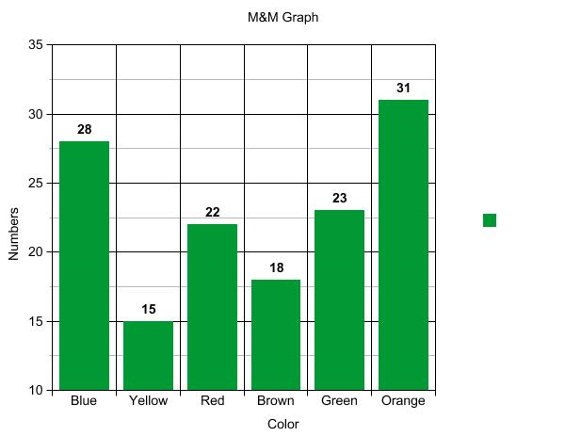
 | M&M Graph | Brown | 4
 |  | 0 | 3
 |  | 0 | 2
 |  | 0 | 3
 |  | 0 | 3
 |  | 0 | 2

